Explanation
Instruction ZonMw Budgetformat

A | Make sure that you are aware of the specific call information

 | Check the call text to review the situation or call ZonMw for more clarity.

B | Note: only the YELLOW fields are editable, BLUE cells are locked / hidden

C | Start your budget application with filling the "Participant List" sheet

D | Continue your budget application with filling the "staff" sheet

E | Decide if you should use part 1a or part 1 b

 | Part 1a - based on salary scales - VSNU / NFU or other

1 | Fill in the name of the function of the staff costs, 1 name / function per row. If there are not enough rows, please combine functions that have the same duration.
2 | Decide on the; VSNU, NFU or other

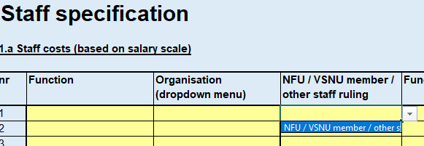

3 | Select the right applicable function
 | NFU | Promovendus / PostDoc / (Arts) onderzoeker / NWP-M / NWP-H / NWP-Ac
 | VSNU | Promovendus / Sr.wet. Medewerker / NWP-M / NWP-H / NWP-Ac
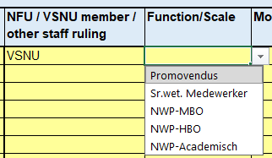
 | Other | Salarisaanvraag
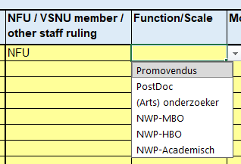

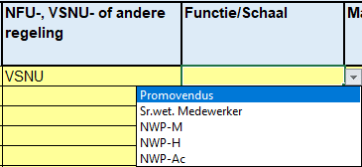

4 | Specify the amount of months the staff will work on the project
5 | Specify the FTE% of the specific staff members

6 | ONLY applicable to OTHER, specify the gross salary of the staff members (column H - is editable)
7 | ONLY fill in when you've selected OTHER, specify the overhead% if applicable (column L - is editable)
 | E.g. As soon as the collective agreement for hospitals is used, for example, select 'Other' at 'Organisation' and calculate the index suspension based on the duration yourself.
 | * please make sure that a detailed calculation can be presented when requested by ZonMw

 | Part 1b - based upon an hourly tariff (the tariff calculation should be acceptable, reasonable and fair - to be approved by ZonMw)

8 | Fill in the staff's name / function, 1 name / function per row (column B)
9 | Specify additional details regarding the (project)activities the staff will perform during the project (column C)
10 | Provide the 'all-in hourly tariff' including VAT (if applicable) (Column K)
11 | Provide the amount of hours that will be spend on the specified project activities (column L)

F | All personnel costst are replicated in the 'budget' sheet in the cells intented for that purpose

 | For part 1a:
 | M7 of staff is equal to F7 of budget
 | M8 of staff is equal to F8 of budget
 | etc
 | For part 1b:
 | M27 of staff is equal to F27 of budget
 | M28 of staff is equal to F28 of budget
 | etc

G | Continue with filling the budget sheet

 | A collaboration between beneficiaries is when each projectpartner specifies and realises their own project costs in this budget form.
 | When a beneficiary hires a third party to realise a part of the project activities this is considered an assignment. The beneficiary declares the costs. The third part sends the beneficiary an invoice.
 | The third party is not part of the agreement between ZonMw and the project's beneficiaries.

H | Personel costs in the budget sheet

12 | Add (additional) remarks to the replicated personnel costs if applicable in column D
13 | Check in column E the right organisation that will bear the personnel costs (based upon the dropdown menu). Note! If you see no organisations, please check if the "Staff" sheet is filled in correctly

14 | Add, if applicable, the own contribution of the project participant or any cofunding by third parties in column G

I | Material, equipment and consumables (specified)

15 | Add the description of the required materials, equipment or consumables of the project in column B
16 | Add, if applicable, any additional remarks in column D
17 | Select in column E the right organisation that will bear the costs (based upon the dropdown menu).
18 | Please fill in the costs (based upon a purchase order or calculation) in column F
19 | Add, if applicable, the own contribution of the project participant or any cofunding by third parties in column G

J | Other costs

20 | Add the description of the required other costs of the project in column C
21 | Select the right cost type (based upon the dropdown menu) in column D
22 | Select in column E the right organisation that will bear the costs (based upon the dropdown menu).
23 | Please fill in the costs (based upon a purchase order or calculation) in column F
24 | Add, if applicable, the own contribution of the project participant or any cofunding by third parties in column G
25 | If there is a collaboration, please fill in the costs of all parties at all cost categories.
26 | If there is an assignment, enter the costs of the client in the other cost category (the contractor sends an invoice).
27 | As soon as patient inclusion is mentioned, enter the number, amount per number and total.

K | Extra explanation field in budget

28 | Potentially any additional explanations or remarks can be placed here

L | Check if the calculations are correct

29 | The number specified as "total requested budget ZonMw" should be the same as "total costs'' minus "own contribution / cofunding".
30 | If not, please check if all specified costs / items are linked to the participant bearing the costs and make changes if necessary

M | Finalising the budget

31 | Fill in the requested contact details, so that if there are any questions, the ZonMw staff can contact the right persons to adress these questions.

32 | Print both staff and budget in pdf-format, or save both sheets as pdf-file, and sign it
 | in order to combine and upload the file(s) with the grant application, if the application is done in |  | https://projectnet.zonmw.nl/
 | OR
 | Upload the complete budgetfile to the applicationportal when using |  | https://mijn.zonmw.nl/

N | Final statement (end of project)
33 | You can use this format as a basis for the final statement.
34 | On the tab "Budget"you can expand the grouping of column M and row 235 to display the cells for the realization.
35 | In these cells, you can enter the actual costs.

